1. Title Page
Instacart Basket Analysis

Project Name: Instacart Basket Analysis
Date: August 11, 2025
Analyst Name: Shanta Maraj

Contents:
Population Flow
Consistency checks
Wrangling steps
Column derivations
Visualizations
Recommendations

Citation
The Instacart Online Grocery Shopping Dataset 2017" , Accessed from
https://www.kaggle.com/datasets/psparks/instacart-market-basket-analysis
on August 11, 2025.

2. Population Flow
2 | Title page

Population flow

Exclusion flag
Condition: max_order <
Obervations to be removed:
Final total count of order_products_all:

Orders_products_combined
Orders_products_merged 4.10
Orders_products_all

Total: 324,342,12
Total: 32,434,489
Total: 324,342,12

1.) The grey boxes in the first row of the population flow represent the original data sets as they were when you downloaded them. In the Total fields you need to add the count of the rows when you imported the data set into Jupyter.
2.) The second row of boxes (coloured) represents the data sets after you manipulated them, e.g., removed missing values and duplicates. In the Total fields you need to add the count of the rows after conducting these operations. This offers a visual oveview of how the data flows throughout the data consistency checks.
3.) The third row, where also the arrows are coloured, represents the merges you performed between the datasets. In the Total fields you need to add the count of the rows in the merged datasets, so that you end up with the final dataset (in the red box). Keep in mind the final dataset should be without exclusions (based on the exclusion flag).

3. Consistency checks
 |  |  |  | Title page
Consistency checks

Dataset | Missing values | Missing values treatment | Duplicates
orders | 206,209 | Left in dataframe | 0
products | 16 missing from product_name | Deleted from dataframe | 5
orders_products_prior | 0 | N/A | 0
customers | 0 | N/A | 0

4. Wrangling steps
 |  |  |  | Title page
Wrangling steps

Columns dropped | Columns renamed | Columns' type changed | Comment/Reason
 | orders_dow renamed to orders_day_of_week |  | For legibility purpose
 |  | order_id changed to string | order_id is an identifier not a quantity
 |  | user_id changed to string | user_id is an identifier not a quantity
eval_set |  |  | not useful for analysys
First Name |  |  | Dropped for PPI concerns/ user privact
Surname |  |  | Dropped for PPI concerns/ user privact
Gender |  |  | Dropped for PPI concerns/ user privact
 | Age |  | Renamed to 'age' for uniformity
 | fam_status |  | Renamed to 'family_status for legibility/uniformity
_merge |  |  | Column was created and droppd througout project when combining dataframes
 | Unnamed:0 |  | Changed when creating visualizations for department_id column

5. Column derivations
Column derivations and aggregations

In this tab you should add tables below that the frequencies of flags/label variables that you produced after deriving them. NB: don't do this for continuous variables, only for flags.
 | Dataset | New column | Column/s it was derived from | Conditions
 | ords_prods_merge | price_range_loc | prices' | ords_prods_merge.loc[ords_prods_merge['prices'] > 15, 'price_range_loc'] = 'High-range product'
 |  |  |  | ords_prods_merge.loc[(ords_prods_merge['prices'] <= 15) & (ords_prods_merge['prices'] > 5), 'price_range_loc'] = 'Mid-range product'
 |  |  |  | ords_prods_merge.loc[ords_prods_merge['prices'] <= 5, 'price_range_loc'] = 'Low-range product'

 | ords_prods_merge | busiest_day | orders_day_of_week' | result = []
 |  |  |  | for value in ords_prods_merge['orders_day_of_week']:
 |  |  |  | if value == 0:
 |  |  |  | result.append("Busiest day")
 |  |  |  | elif value == 4:
 |  |  |  | result.append("Least busy")
 |  |  |  | else:
 |  |  |  | result.append("Regularly busy")

 | ords_prods_merge | updated_busiest_days | orders_day_of_week' | busiest_days = [0, 1]
 |  |  |  | slowest_days = [3, 4]
 |  |  |  | def day_type(day):
 |  |  |  | if day in busiest_days:
 |  |  |  | return 'Busiest days'
 |  |  |  | elif day in slowest_days:
 |  |  |  | return 'Slowest days'
 |  |  |  | else:
 |  |  |  | return 'Regularly busy'

 | ords_prods_merge | busiest_period_of_day | order_hour_of_day" | hour_counts = ords_prods_merge['order_hour_of_day'].value_counts(dropna=False)
 |  |  |  | # Sort hours by number of orders
 |  |  |  | sorted_hours = hour_counts.sort_values()
 |  |  |  | # Get top 8 hours (most), bottom 8 hours (fewest), rest are average **(24hrs/3 = 8)**
 |  |  |  | most_orders = sorted_hours.head(8).index.tolist()
 |  |  |  | fewest_orders = sorted_hours.tail(8).index.tolist()
 |  |  |  | def label_period(hour):
 |  |  |  | if hour in most_orders:
 |  |  |  | return 'Most orders'
 |  |  |  | elif hour in fewest_orders:
 |  |  |  | return 'Fewest orders'
 |  |  |  | else:
 |  |  |  | return 'Average orders'

 | ords_prods_merge | max_order' | user_id', 'order_number' | ords_prods_merge['max_order'] = ords_prods_merge.groupby('user_id')['order_number'].transform(np.max)

 | ords_prods_merge | loyalty_flag' | max_order' | ords_prods_merge.loc[ords_prods_merge['max_order'] > 40, 'loyalty_flag'] = 'Loyal customer'
 |  |  |  | ords_prods_merge.loc[(ords_prods_merge['max_order'] <= 40) & (ords_prods_merge['max_order'] >= 10), 'loyalty_flag'] = 'Regular customer'
 |  |  |  | ords_prods_merge.loc[ords_prods_merge['max_order'] < 10, 'loyalty_flag'] = 'New customer'

 | ords_prods_merge | avg_price' | user_id', 'prices' | ords_prods_merge['avg_price'] = ords_prods_merge.groupby('user_id')['prices'].transform(np.mean)

 | ords_prods_merge | spending_flag | avg_price' | ords_prods_merge.loc[ords_prods_merge['avg_price'] < 10, 'spending_flag'] = 'Low spender'
 |  |  |  | ords_prods_merge.loc[ords_prods_merge['avg_price'] >= 10, 'spending_flag'] = 'High spender'

 | ords_prods_merge | 'median_days_since' | user_id', 'days_since_prior_order' | ords_prods_merge['median_days_since'] = ords_prods_merge.groupby('user_id')['days_since_prior_order'].transform(np.median)

 | ords_prods_merge | order_frequency_flag | median_days_since' | ords_prods_merge.loc[ords_prods_merge['median_days_since'] > 20, 'order_frequency_flag'] = 'Non-frequent customer'
 |  |  |  | ords_prods_merge.loc[(ords_prods_merge['median_days_since'] > 10) & (ords_prods_merge['median_days_since'] <= 20), 'order_frequency_flag'] = 'Regular customer'
 |  |  |  | ords_prods_merge.loc[ords_prods_merge['median_days_since'] <= 10, 'order_frequency_flag'] = 'Frequent customer'

 | ords_prods_merge_4.10 | region | state | #region map
 |  |  |  | northeast = ['Maine', 'New Hampshire', 'Vermont', 'Massachusetts', 'Rhode Island', 'Connecticut', 'New York', 'Pennsylvania', 'New Jersey']
 |  |  |  | midwest = ['Wisconsin', 'Michigan', 'Illinois', 'Indiana', 'Ohio', 'North Dakota', 'South Dakota', 'Nebraska', 'Kansas', 'Minnesota', 'Iowa', 'Missouri']
 |  |  |  | south = ['Delaware', 'Maryland', 'District of Columbia', 'Virginia', 'West Virginia', 'North Carolina', 'South Carolina', 'Georgia', 'Florida', 'Kentucky', 'Tennessee', 'Mississippi', 'Alabama', 'Oklahoma', 'Texas', 'Arkansas', 'Louisiana']
 |  |  |  | west = ['Idaho', 'Montana', 'Wyoming', 'Nevada', 'Utah', 'Colorado', 'Arizona', 'New Mexico', 'Alaska', 'Washington', 'Oregon', 'California', 'Hawaii']
 |  |  |  | #create a region column
 |  |  |  | def assign_region(state):
 |  |  |  | if state in northeast:
 |  |  |  | return 'Northeast'
 |  |  |  | elif state in midwest:
 |  |  |  | return 'Midwest'
 |  |  |  | elif state in south:
 |  |  |  | return 'South'
 |  |  |  | elif state in west:
 |  |  |  | return 'West'
 |  |  |  | else:
 |  |  |  | return 'Other'
 |  |  |  | df['region']= df['state'].apply(assign_region)

 | ords_prods_merge_4.10 | spending_flag by region | region', 'spending_flag' | pd.crosstab([df['region']], df['spending_flag'])

 | ords_prods_merge_4.10 | spending flag vs loyalty flag by region | region', 'loyalty_flag 'spending_flag', | combo_counts = df.groupby(['region', 'loyalty_flag', 'spending_flag']).size().reset_index(name='count')
 |  | (
 | ords_prods_merge_4.10 | exclusion_flag for low activity customers with less than 5 orders | order_number' | df.loc[df['order_number'] < 5, 'exclusion_flag'] = 'Exclude'
 |  |  |  | df.loc[df['order_number'] >= 5, 'exclusion_flag'] = 'Include'

 | df_active_customers_4.10 | demographic_profile | age, income, n_dependents | def assign_profile(row):
 |  |  |  | age = row['age']
 |  |  |  | income = row['income']
 |  |  |  | deps = row['n_dependants']
 |  |  |  | if age < 30:
 |  |  |  | if deps == 0:
 |  |  |  | return 'Young Single Budget Shopper'
 |  |  |  | else:
 |  |  |  | return 'Young Parent'
 |  |  |  | elif age < 60:
 |  |  |  | if deps == 0 and income >= 80000:
 |  |  |  | return 'Midlife Professional'
 |  |  |  | elif deps > 0:
 |  |  |  | return 'Established Family Shopper'
 |  |  |  | else:
 |  |  |  | return 'Young Single Budget Shopper'
 |  |  |  | else: # age >= 60
 |  |  |  | if deps == 0:
 |  |  |  | return 'Senior Shopper'
 |  |  |  | else:
 |  |  |  | return 'Senior w/ Family Duties'
 |  |  |  | df['demographic_profile'] = df.apply(assign_profile, axis=1)

 | df_active_customers_4.10 | region_profile_ct | demographic_profile, 'region' | region_profile_ct = pd.crosstab(df['demographic_profile'], df['region'], normalize='index') * 100

 | orders_day_of_week
 | 0 6209632
 | 1 5665830
 | 6 4500246
 | 2 4217766
 | 5 4209449
 | 3 3844096
 | 4 3787193

 | busiest_day
 | Regularly busy 22437387
 | Busiest day 6209632
 | Least busy 3787193
 | Name: count, dtype: int64

 | updated_busiest_days
 | Regularly busy 12927461
 | Busiest days 11875462
 | Slowest days 7631289
 | Name: count, dtype: int64

 | busiest_period_of_day
 | Fewest orders 21137262
 | Average orders 10006752
 | Most orders 1290198
 | Name: count, dtype: int64

 | loyalty_flag
 | Regular customer 16664890
 | Loyal customer 10293737
 | New customer 5475585
 | Name: count, dtype: int64

 | spending_flag
 | Low spender 31798751
 | High spender 635461
 | Name: count, dtype: int64

 | order_frequency_flag
 | Frequent customer 21577409
 | Regular customer 7217134
 | Non-frequent customer 3639669
 | Name: count, dtype: int64

 | spending_flag | High spender | Low spender
 | region
 | Midwest | 29344 | 7574466
 | Northeast | 18735 | 5709612
 | South | 40990 | 10760620
 | West | 31651 | 8268794

 | demographic_profile
 | Established Family Shopper 72567
 | Midlife Professional 14396
 | Senior Shopper 17640
 | Senior w/ Family Duties 53087
 | Young Parent 28953
 | Young Single Budget Shopper 19566
 | Name: user_id, dtype: int64

 | region | Midwest | Northeast | South | West
 | demographic_profile
 | Established Family Shopper | 23.556751 | 17.825286 | 33.12873 | 25.489232
 | Midlife Professional | 24.350795 | 16.72926 | 32.656783 | 26.263162
 | Senior Shopper | 23.317924 | 18.077816 | 33.217946 | 25.386314
 | Senior w/ Family Duties | 23.180338 | 17.746578 | 33.330045 | 25.743039
 | Young Parent | 23.490832 | 17.355217 | 33.583324 | 25.570627
 | Young Single Budget Shopper | 23.035003 | 17.639951 | 34.098487 | 25.22656

6. Visualizations
 | Title page

Visualisations

In this tab you should include all the visualtions from Exercises 4.9 and 4.10, alongside the questions from the project brief that they answer. Include any commentary on the relationship between different variables.

Key Question 1
● The sales team needs to know what the busiest days of the week and hours of the day
are (i.e., the days and times with the most orders) in order to schedule ads at times
Granular Order Frequency by Hour
when there are fewer orders.
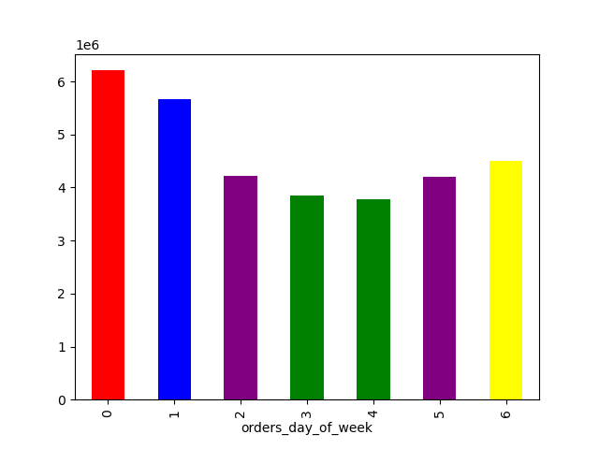
Busiest Days of Week Orders per Day (line)
Orders by Hour of Day



Busiest Days of Week Orders per Day (bar)
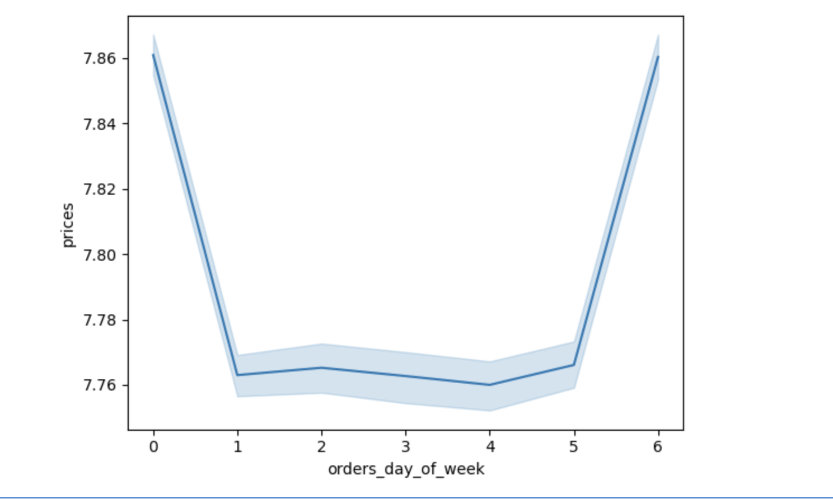

Order activity peaks from late morning to mid-afternoon, tapering off in the evening.
Midday hours consistently see the highest frequency, while overnight activity is minimal.

Saturday and Sunday dominate order volume, with Saturday slightly ahead.
The busiest shopping days of the week are Saturday "0" and Sunday "1". Order activity by hour of day shows a sharp rise around 8 am , peaking between 10 am and 3 pm, gradually declining into the evening. The second more granulated histogram above confirms this pattern, with consistent midday peaks and and minimal activity during late night hours. These trends suggest that advertising efforts could be strategically scheduled during quieter periods- particularly weekday mornings or late evenings to better captire customer attention.

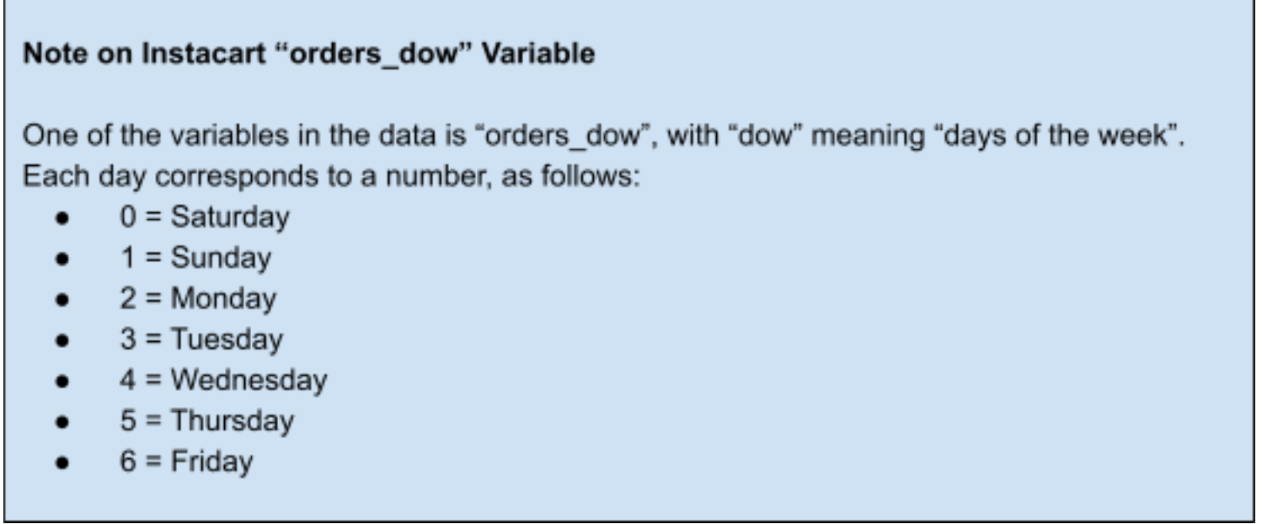

Key Question 2
● They also want to know whether there are particular times of the day when people spend
the most money, as this might inform the type of products they advertise at these times.
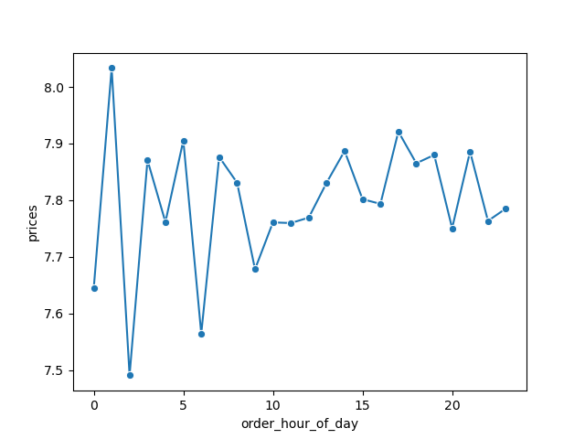
Hourly Average Prices (linechart)

Prices fluctuate throughout the day, with the highest spikes in the early morning (around 1 am) and smaller peaks in late afternoon (around 5 pm). Overnight hours tend to show more volatility, while mid-morning to early afternoon maintains steadier, slightly lower average prices.
Since early mornings (1 am) and late afternoons (5 pm) are the highest average price times, the sales team should align certain departments with customer behavior at those hours. This timing-based targeting could imply that premium, impulse, and convenience products are best in the early hours, while family meals and fresh staples work best late afternoon.
Early morning (1 am)- Likely late-night shoppers or night-shift workers placing smaller, higher-value baskets. Ads could focus on specialty items, premium snacks, alcohol, ready-to-eat meals, or convenience foods.
Late afternoon (around 5 pm)- Peak time for after-work or dinner prep shopping. Ads could feature fresh produce, meat/seafood, meal kits, and household essentials often bought for same-day use.

Early mornings and late afternoons see the highest average spending per order.

Key Question 3
● Instacart has a lot of products with different price tags. Marketing and sales want to use
simpler price range groupings to help direct their efforts.

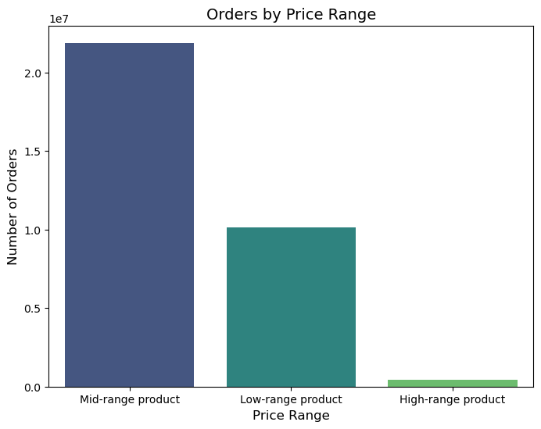
The bar chart shows that the majority of Instacart orders fall within the mid-range price bracket ($5–$14), which accounts for over half of all purchases. Low-range products (under $5) make up a significant portion as well, while high-range products (over $15) represent only a very small share of orders. Marketing and sales campaigns should focus on promoting mid-range products, with targeted strategies to encourage high-range items.

Low range products = < $5
Mid range products = $5 - $14
High range products = > $15

Key Question 4
● Are there certain types of products that are more popular than others? The marketing
and sales teams want to know which departments have the highest frequency of product
orders.
Top 10 departments by % of orders:
Produce 32-34%
Dairy eggs 18-19%
Snacks 9-11%
Beverages 9–10%
Frozen 7–8%
Pantry 6–7%
Bakery 4%
Dry goods pasta 3%
Canned goods 3–4%
Deli 3–4%
Marketing and sales should focus primarily on promoting Produce and Dairy eggs, as these categories consistently lead in customer purchases across all profiles and regions. Snacks and Beverages also show strong, steady demand, making them ideal secondary targets for advertising campaigns.
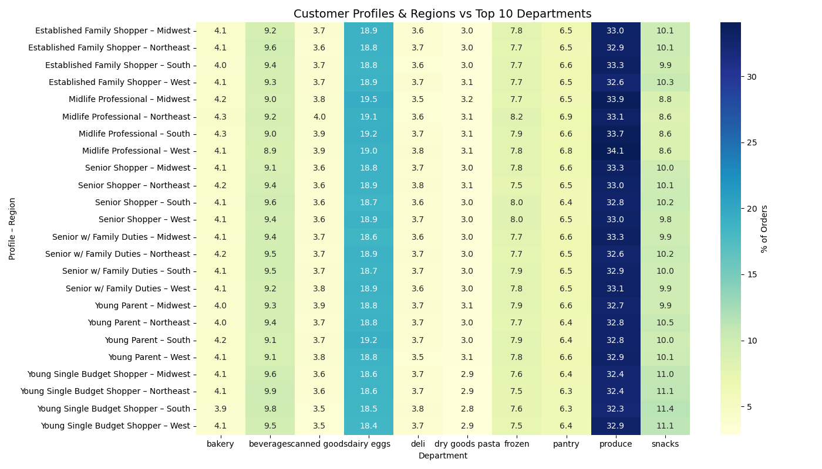

Key Question 5
● The marketing and sales teams are particularly interested in the different types of
customers in their system and how their ordering behaviors differ.
What’s the distribution among users in regards to their brand loyalty (i.e., how
often do they return to Instacart)?

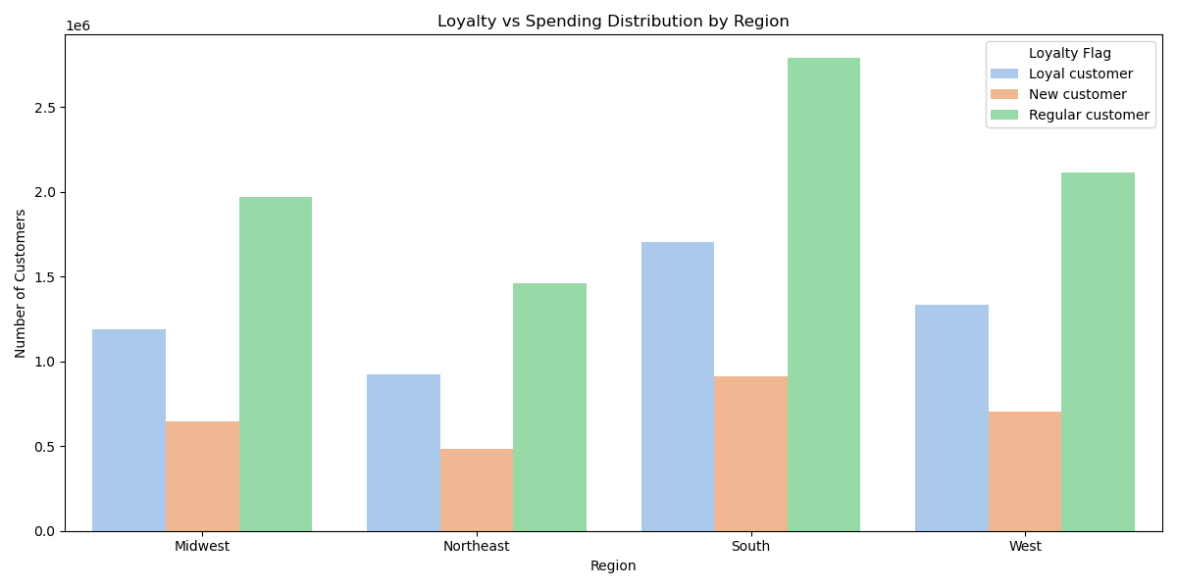
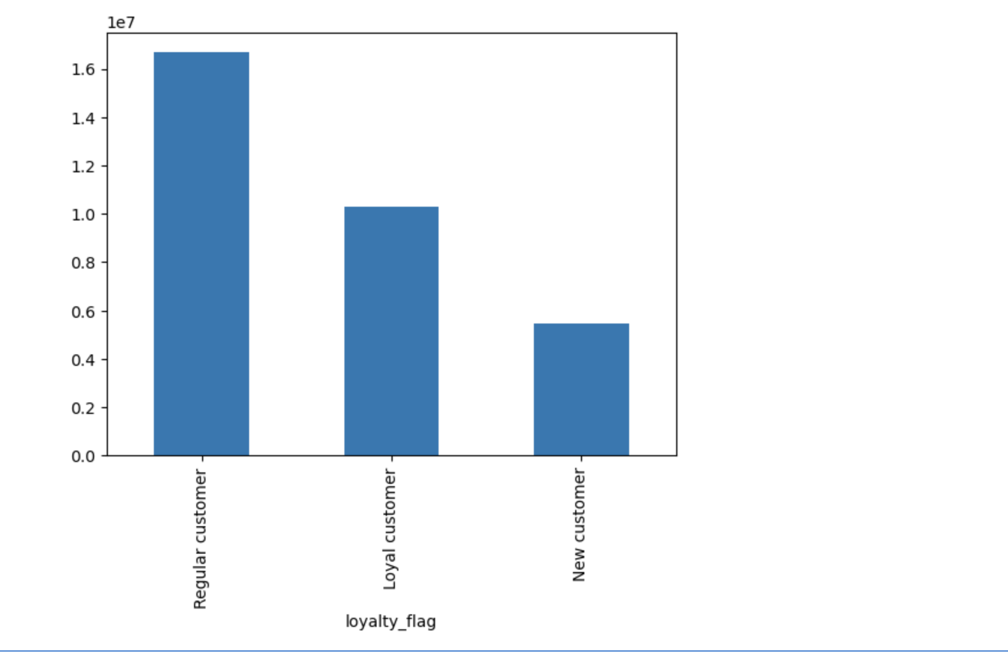

The brand loyalty distribution shows that regular customers make up the largest share of Instacart’s user base, followed by loyal customers, with new customers forming the smallest segment.
When broken down by region, regular customers consistently dominate across all four regions, particularly in the South, which has the highest number of returning customers. Loyal customers rank second in every region, while new customers remain the smallest group overall. This pattern suggests that Instacart has a strong base of repeat buyers, but fewer first-time users, highlighting an opportunity for targeted marketing to attract and retain new customers.

Key Question 6
● Are there differences in ordering habits based on a customer's loyalty status?
The "Loyalty vs Spending Distribution by Region" chart above indirectly reflects ordering patterns, regions with higher counts of loyal or regular customers are likely seeing more frequent repeat orders.

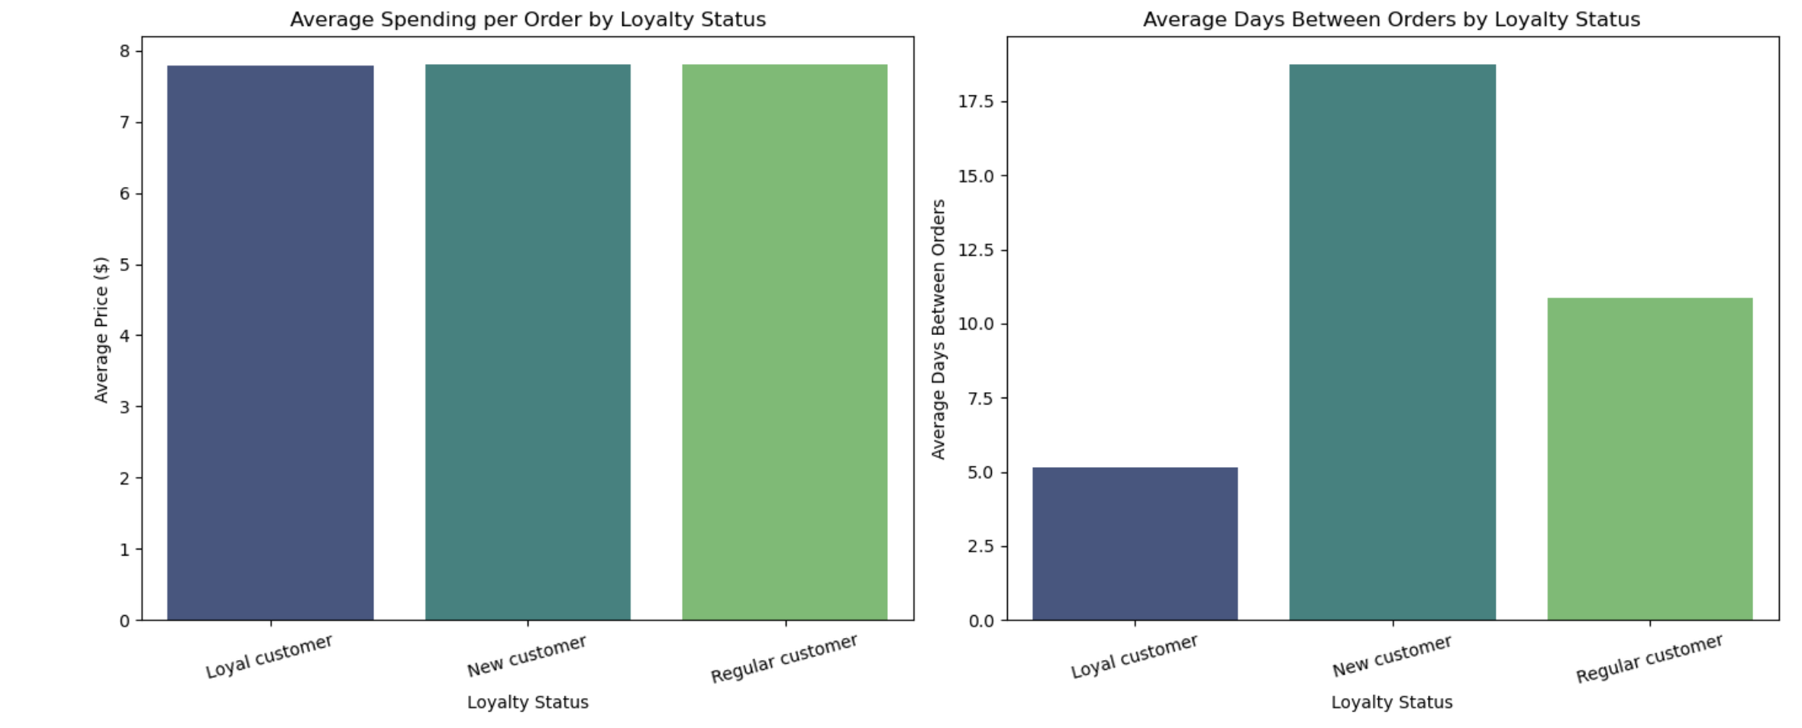

The 2 charts above look at the average spending per order by loyalty status and the average days between orders by loyalty status. There are clear differences in ordering habits based on loyalty status. While average spending per order is nearly identical across all groups (around $7.80), the frequency of orders varies significantly. Loyal customers place orders most frequently, with an average gap of just over 5 days between purchases. Regular customers order roughly every 11 days, whereas new customers take the longest to return, averaging about 19 days between orders. This indicates that loyalty status impacts shopping frequency more than spending per transaction.

Key Question 7
● Are there differences in ordering habits based on a customer's region?
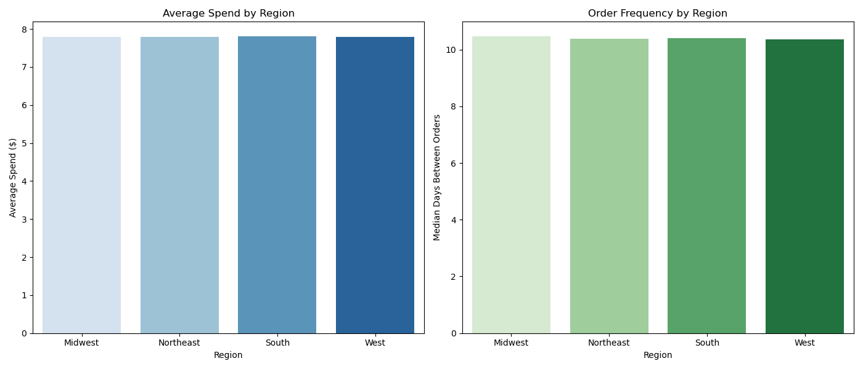

From the two charts above, we can assume that regional location does not play a major role in influencing how much customers spend per order of how frequently they shop on Instacart

Key Question 8
● Is there a connection between age and family status in terms of odering habits?
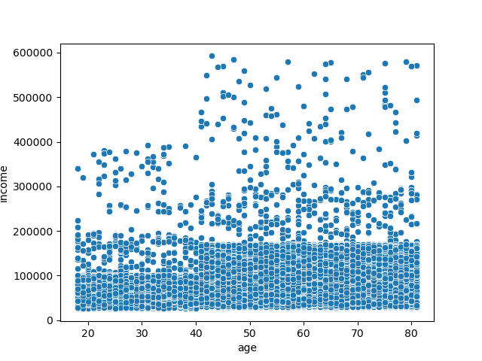

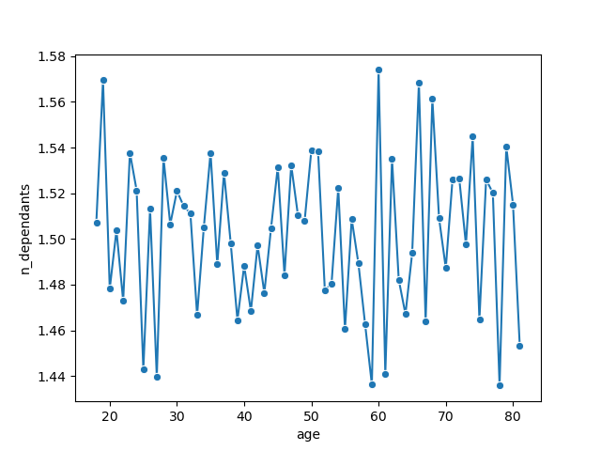

The scatterplot shows the relationship between customer age and annual income, most customers fall below the $150k income mark, suggesting that the majority of the customer base belong to a middle-income segment.
The line chart shows the relationship between customer age groups and the average number of dependents.
The number of dependents increases between ages 26–45, which likely reflects the life stage when many customers are raising children. The number then gradually declines after age 55, but peaks again around 60
However, I see no strong connection between age and family size that would directly influence ordering habits. Since both income and dependents remain relatively consistent across ages, age alone does not seem to drive significant differences in ordering habits.

Key Question 9
● What different classifications does the demographic information suggest? Age?
Income? Certain types of goods? Family status?

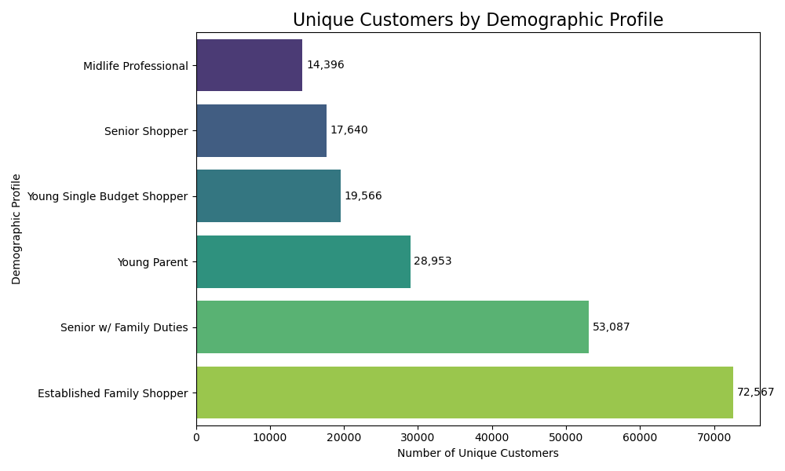

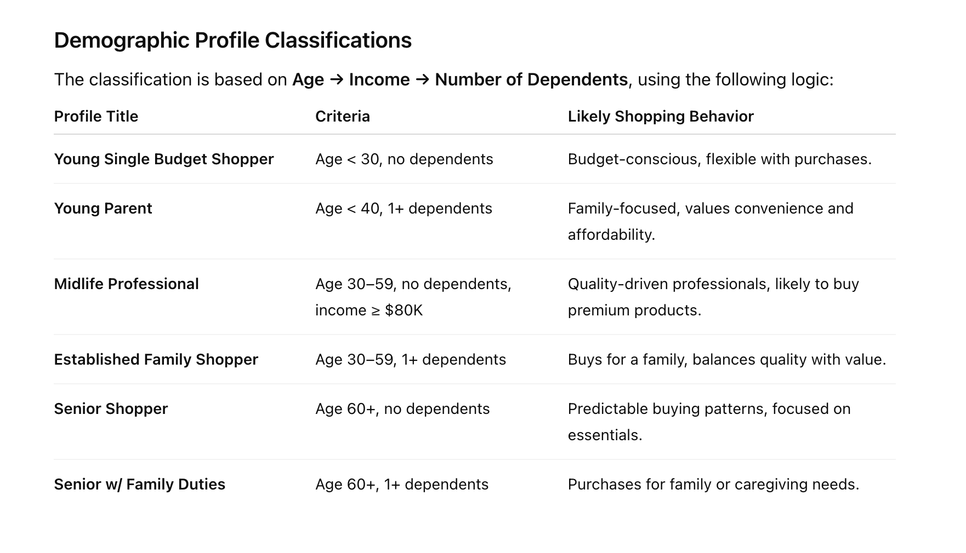

Key Question 10
● What differences can you find in ordering habits of different customer profiles?
Consider the price of orders, the frequency of orders, the products customers are
ordering, and anything else you can think of.

Refrencing the heatmap above

The heatmap shows that while produce (32–34% of orders) and dairy (18–19%) are staples across all customer profiles, shopping habits differ subtly by age, income, and family status.
Young Single Budget Shoppers lean more toward snacks (≈11%) and beverages, reflecting quick, affordable purchases over bulk staples.
Young Parents maintain a balanced mix but still favor snacks for family needs.
Midlife Professionals show a stronger preference for produce and less for snacks, suggesting a health-conscious or premium-focused approach.
Established Family Shoppers and Seniors w/ Family Duties — spread spending across essentials, frozen goods, and snacks, indicating larger, caregiving-driven baskets.
Senior Shoppers remain predictable and essentials-focused, with steady produce and dairy purchases and modest frozen goods. Overall, higher-income profiles tend to prioritize fresh produce and quality items, while budget-conscious profiles purchase more convenience and snack items, reflecting differences in both basket composition and likely order value.

7. Recommendations
 |  |  | Title page

Recommendations

In this tab you should include any recommendations you would made to Instcart in terms of their marketing strategy based on the questions posed in the brief. Every key question has been covered in the Tasks of the Exercises - here you need to add an item - a visualisation or table/crosstable that is showing the answer in the data, acompanied by a comment from you. Please, list the questions below and add the answer underneath.

Key Questions | Answers | Recommendations
The sales team needs to know what the busiest days of the week and hours of the day are (i.e., the days and times with the most orders) in order to schedule ads at times when there are fewer orders. | The busiest shopping days are Saturday and Sunday. Order activity rises sharply around 8 AM, peaks between 10 AM and 3 PM, and declines into the evening. Late-night activity is minimal. | Run ads during weekday mornings or late evenings to avoid peak order times and capture customer attention.

They also want to know whether there are particular times of the day when people spend the most money, as this might inform the type of products they advertise at these times. | Prices are highest in the early morning (around 1 AM) and late afternoon (around 5 PM). Overnight hours show more volatility, while mid-morning to early afternoon prices remain steady but lower. Early mornings may attract late-night shoppers or night-shift workers purchasing higher-value convenience items. Late afternoons align with after-work or dinner prep, ideal for promoting fresh produce, meats, and household essentials. | Promote premium, convenience, and impulse items in early mornings; focus on fresh produce, meats, and essentials in late afternoons.

Instacart has a lot of products with different price tags. Marketing and sales want to use simpler price range groupings to help direct their efforts. | Most orders fall within the mid-range price bracket ($5–$14), representing over half of purchases. Low-range items (<$5) also have significant share, while high-range items (>$15) are rare. Campaigns should prioritize mid-range products, with targeted strategies to boost high-range item sales. | Prioritize marketing for mid-range products, and design campaigns to boost sales of high-range items through targeted offers.

Are there certain types of products that are more popular than others? The marketing and sales teams want to know which departments have the highest frequency of product orders. | Produce and Dairy & Eggs lead in purchases across all customer profiles and regions. Snacks and Beverages maintain strong, steady demand, making them effective secondary targets for promotions. | Feature Produce and Dairy & Eggs in core promotions, with Snacks and Beverages as consistent secondary targets.

The marketing and sales teams are particularly interested in the different types of customers in their system and how their ordering behaviors differ. For example: What’s the distribution among users in regards to their brand loyalty (i.e., how often do they return to Instacart)? | Regular customers make up the largest share, followed by loyal customers, with new customers being the smallest group. This pattern is consistent across all regions, with the South having the most returning customers. The data suggests a strong base of repeat buyers but fewer first-time users, presenting an opportunity for targeted campaigns to attract and retain new customers. | Develop campaigns to retain loyal customers and convert regular customers to loyal status; create acquisition strategies for new customers.

Are there differences in ordering habits based on a customer’s loyalty status? | Yes. While average spending per order is similar across groups (about $7.80), order frequency differs significantly. Loyal customers order every 5 days on average, regular customers every 11 days, and new customers about every 19 days. Loyalty status impacts shopping frequency more than spending per transaction. | Implement loyalty programs and reminders to encourage frequent purchases from regular and new customers.

Are there differences in ordering habits based on a customer’s region? | No. Regional location does not significantly affect average spending per order or shopping frequency. | Maintain a consistent national marketing strategy as regional differences are minimal.

Is there a connection between age and family status in terms of ordering habits? | No. There is no strong connection between age and family size that directly influences ordering habits. Income and number of dependents remain consistent across age groups, so age alone does not drive meaningful differences. | Segment marketing by factors other than age or family size, as these do not strongly affect ordering

What different classifications does the demographic information suggest? Age? Income? Certain types of goods? Family status? | Customer profiles include: Young Single Budget Shopper – Under 30, no dependents, income < 80k; Young Parent – Under 40, 1+ dependents; Midlife Professional – Age 30–59, no dependents, income ≥ 80k; Family Shopper – Age 30–59, 1+ dependents; Senior Shopper – Age 60+, no dependents; Senior with Family Duties – Age 60+, 1+ dependents. | Create personalized campaigns for each customer profile to match their needs, e.g., value-based promotions for budget shoppers, premium offers for professionals.

What differences can you find in ordering habits of different customer profiles? Consider the price of orders, the frequency of orders, the products customers are ordering, and anything else you can think of. | Produce (32–34% of orders) and dairy (18–19%) are staples for all profiles, but preferences vary. Young Single Budget Shoppers favor snacks (~11%) and beverages, Young Parents balance essentials with snacks, Midlife Professionals prioritize produce, Established Family Shoppers and Seniors with Family Duties spread spending across essentials and frozen goods, and Senior Shoppers remain essentials-focused. Higher-income profiles emphasize fresh, quality items, while budget-conscious groups purchase more convenience and snack items. | Tailor product recommendations by profile: more snacks/beverages for budget-conscious customers, fresh produce for higher-income customers, and essentials for senior shoppers.

